Analysis
KPI |  |  |  |  |  |  |  |  | Slicer

Total Employees |  | Total Attrition |  | Active Employee | Total Attrition | Total Employees | Attrition Rate | Average Age
1470 |  | 237 |  | 1233 | 237 | 1470 | 16% | 37

Male vs Female Ratio

Row Labels | Total Employees
Female | 40%
Male | 60%

Education Wise Attrition

Row Labels | Sum of CF_attrition count
Doctoral Degree | 5
High School | 31
Associates Degree | 44
Master's Degree | 58
Bachelor's Degree | 99

Attriton by Job Role

Job Role | Tota Attrition |  | Job Role | Tota Attrition
Human Resources | 12 |  | Human Resources | 12
Sales Representative | 33 |  | Sales Representative | 33
Research Scientist | 47 |  | Research Scientist | 47
Sales Executive | 57 |  | Sales Executive | 57
Laboratory Technician | 62 |  | Laboratory Technician | 62

Depertment wise Attriton

Row Labels | Sum of CF_attrition count
HR | 5%
R&D | 56%
Sales | 39%

Attition By Age Group

Row Labels | Sum of CF_attrition count
25 - 34 | 112
35 - 44 | 51
45 - 54 | 25
Over 55 | 11
Under 25 | 38

Attriton by Marital Status

Row Labels | Sum of CF_attrition count
Divorced | 33
Married | 84
Single | 120

Dashboard
`
HR Attrition Dashboard

Total Employees
Attrition
Active Employees
Attrition Rate
Average Age

1470
237
1233
16%
37

Total Employees By Gender
Education wise Attrition
Attrition Job Role (Top 5)

 | Total
Female | 40%
Male | 60%
 | Total
Doctoral Degree | 5
High School | 31
Associates Degree | 44
Master's Degree | 58
Bachelor's Degree | 99

Depertment wise Attrition
Attrition by Age Group
Attrition by Marital Status
Filter Panel

Department
 | Total
HR | 5%
R&D | 56%
Sales | 39%
 | Total
25 - 34 | 112
35 - 44 | 51
45 - 54 | 25
Over 55 | 11
Under 25 | 38
 | Total
Divorced | 33
Married | 84
Single | 120
Education Field

Dashboard - Sample
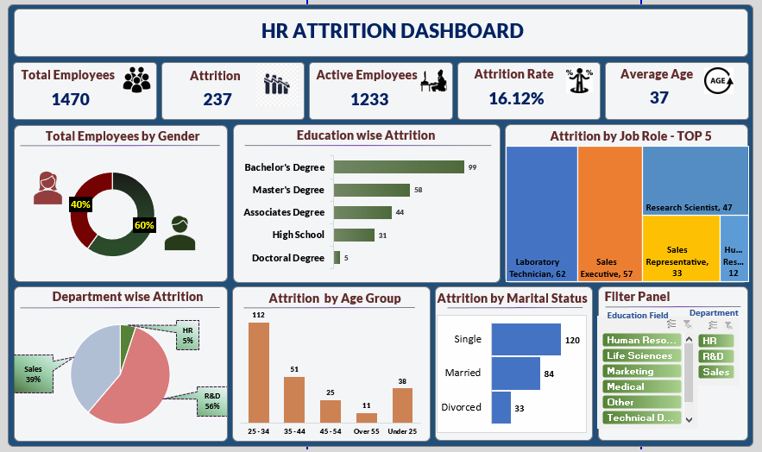

Blank - Layout
`

